Sheet1
Position | Quantity [Pcs] | Description | Area | Price/Sqft. [INR | Price [INR] | Total [INR]
1 | 1 | W1 | 118.941 | 1,228.60 | 146,131.60 | 146,131.60

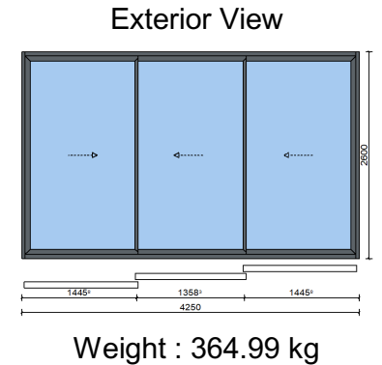 |  |  |  | Slider 4250 mm x 2600 mm W1, Consisting of of a 3-Leaf Sliding Door. System: AluK SC95-EXP Colours: Profiles: RAL 7040 (Window grey) Glazing: 3 x 10 MM CLEAR TOUGHENED GLASS

Position | Quantity [Pcs] | Description | Area | Price/Sqft. [INR | Price [INR] | Total [INR]
1 | 1 | W2 | 73.022 | 995.99 | 72,729.83 | 72,729.83

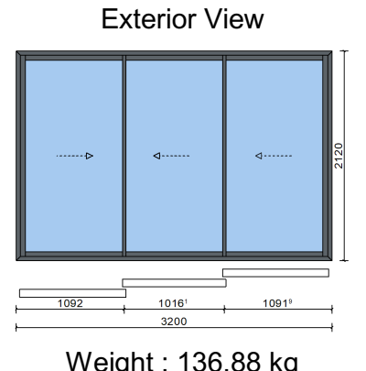 |  |  |  | Slider 3200 mm x 2120 mm W2, Consisting of of a 3-Leaf Sliding Door. System: AluK SC45 Colours: Profiles: RAL 7040 (Window grey) Glazing: 3 x 8 MM CLEAR TOUGHENED GLASS

Position | Quantity [Pcs] | Description | Area | Price/Sqft. [INR | Price [INR] | Total [INR]
3 | 1 | W3 | 63.895 | 1,058.49 | 67,631.69 | 67,631.69

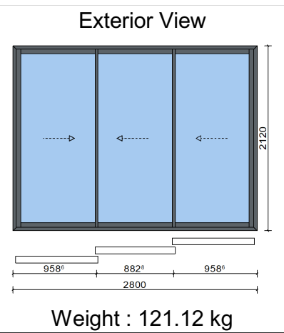 |  |  |  | Slider 2800 mm x 2120 mm W3, Consisting of of a 3-Leaf Sliding Door. System: AluK SC45 Colours: Profiles: RAL 7040 (Window grey) Glazing: 3 x 8 MM CLEAR TOUGHENED GLASS

Position | Quantity [Pcs] | Description | Area | Price/Sqft. [INR | Price [INR] | Total [INR]
4 | 2 | W4 | 8.428 | 1,856.22 | 15,644.44 | 31,288.88

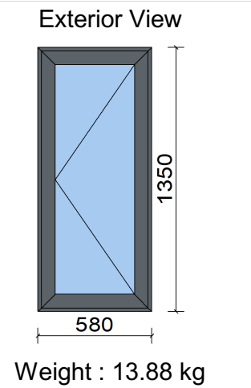 |  |  |  | Window Elements 580 mm x 1350 mm W2, Consisting of a Side Hung Window. System: AluK 40N Colours: Profiles: RAL 7040 (Window grey) Glazing: 1 x 6 MM CLEAR TOUGHENED GLASS

Position | Quantity [Pcs] | Description | Area | Price/Sqft. [INR | Price [INR] | Total [INR]
5 | 1 | W5 | 14.058 | 1,337.45 | 18,801.40 | 18,801.40
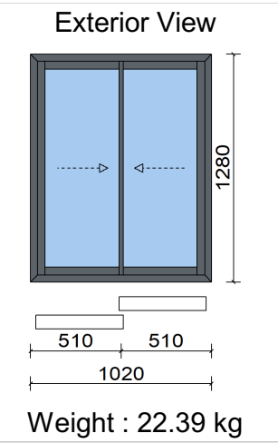
 |  |  |  | Slider 1020 mm x 1280 mm W5, Consisting of of a Double Sliding Door. System: AluK SC40 Colours: Profiles: RAL 7040 (Window grey) Glazing: 2 x 6 MM CLEAR TOUGHENED GLASS

Position | Quantity [Pcs] | Description | Area | Price/Sqft. [INR | Price [INR] | Total [INR]
6 | 1 | W6 | 27.588 | 4,700.39 | 129,673.70 | 129,673.70

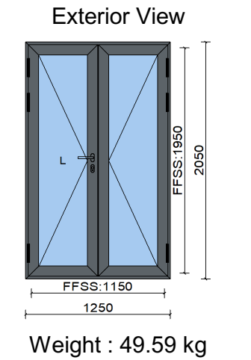 |  |  |  | Door Element 1250 mm x 2050 mm W6, Consisting of of a Double Door. System: AluK 45DS Door Description: Door Double open Out Hinge L Colours: Profiles: RAL 7040 (Window grey) Glazing: 2 x 6 MM CLEAR TOUGHENED GLASS

Sr No | Item Description | Type | System | Locking | Glass | Qty | Unit | Rate | Amount
1 | SFD1(3200X 2140) | Sliding Folding (431) | Inventa Bi-Fold Door 62 Series | Multi Pt. | 8mm CT | 1 | Nos. | 221845 | 221845
2 | W1(1450X 1195) | 2T2S | Optima Sliding (60mm Sash) Window 50 Series | Single Pt. | 5mm CT | 1 | Nos. | 14743 | 14743
3 | SD1(2800X 2130) | 2T2S | Inventa Sliding (79mm Sash) Door 62 Series | Multi Pt. | 6mm CT | 1 | Nos. | 51603 | 51603
4 | V1(620X 610) | TH + Ex Provision | Optima Casement Window 50 Series | Single Pt. | 5mm FT | 1 | Nos. | 5411 | 5411
5 | W2(2200X 1205) | 2T2S + Fix (L- Type) | Optima Sliding (60mm Sash) Door/Casement 50 Series | Single Pt. | 5mm CT | 1 | Nos. | 22545 | 22545
6 | V2(620X 610) | TH + Ex Provision | Optima Casement Window 50 Series | Single Pt. | 5mm FT | 1 | Nos. | 5411 | 5411
7 | W3(585X 1145) | Single Openable Window | Optima Casement Window 50 Series | Single Pt. | 5mm CT GB | 2 | Nos. | 8340 | 16679
8 | SD2(1265X 2075) | 2T2S | Inventa Sliding (79mm Sash) Door 62 Series | Multi Pt. | 6mm CT GB | 1 | Nos. | 29125 | 29125
9 | SD3(4265X 2635) | 2T2S (1Fix+1Slide) | AS 39 SC.NI | Multi Pt. | 8mm CT | 1 | Nos. | 171209 | 171209
10 | W4(1020X 1285) | 2T2S | Optima Sliding (60mm Sash) Window 50 Series | Single Pt. | 5mm CT | 1 | Nos. | 12461 | 12461
Total |  |  |  |  |  |  |  |  | 551034
GST 18% |  |  |  |  |  |  |  |  | 99186.12
Total with taxes |  |  |  |  |  |  |  |  | 650220.12

SR. NO. | LOCATION | GLASS | SERIES | COD E | SPECIFICATION | SIZES |  | QTY | UNIT RATE | AMOUNT
 |  |  |  |  |  | W | H
1 | AS PER SITE | 10mm Clear Toughened Glass | Signature Sliding | W1 | 3Track 3Glass Shutter Sliding Window (Outer Interlocks Are With Reinforcement) | 4250 | 2600 | 7 | 1,40,473.84 | 9,83,316.88
2 | AS PER SITE | 8mm Clear Toughened Glass |  | W2 | 3Track 3Glass Shutter Sliding Window (Outer Interlocks Are With Reinforcement) | 3200 | 2120 | 7 | 98,662.45 | 6,90,637.16
3 | AS PER SITE |  | Slimline Sliding | W3 | 2Track 2Glass Shutter Sliding Window (Outer Interlocks Are With Reinforcement) | 2800 | 2120 | 7 | 60,291.89 | 4,22,043.22
4 | AS PER SITE |  | Slimline Casement | W4 | Single Shutter Side Hung outside Openable window (With Georgian Bar) | 580 | 1135 | 14 | 14,470.56 | 2,02,587.88
5 | AS PER SITE |  | Slimline Sliding | W5 | 2Track 2Glass Shutter Sliding | 1020 | 1280 | 7 | 20,296.93 | 1,42,078.48
6 | AS PER SITE |  | Slimline Casement | W6 | Double shutter Outside Openable Door (With Key Lock & Georgian Bar) | 1250 | 2050 | 7 | 62,767.47 | 4,39,372.29

 |  |  |  |  |  | Total Amount | 28,80,035.91
 |  |  |  |  |  | Discount | 15% | 4,32,005.39
 |  |  |  |  |  | Transportation Charges (Factory To Site) | Extra At Actual
 |  |  |  |  |  | Total Amount (After Discount) | 24,48,030.53
 |  |  |  |  |  | GST
 |  |  |  |  |  | 18% | 4,40,645.49
 |  |  |  |  |  | Grand Total Amount | 28,88,676.00
 |  |  |  |  |  | HSN/ SAC CODE 995478

